Frontpage
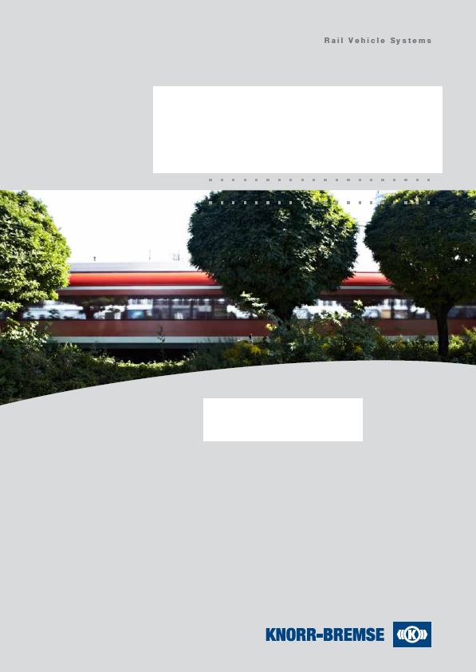
 | Sprache / Language ==>
 | Trading volume / Umsatzentwicklung
 | 0
 | Personnal development / Personalentwicklung
 | 0

Supplier Self-Assessment

Company_Profile
 |  |  |  |  |  |  |  |  |  |  | Sprache / Language ==>
Supplier Self-Assessment

Status: Rev 05 |  |  |  |  |  |  |  |  |  |  |  |  |  |  | Date:
Section A, Company Profil

 | Company name (including legal form): |  |  |  |  |  |  |  | Form completed by:

 | Facility Address: |  |  |  |  |  |  |  | Department:

 | Post code, City, State: |  |  |  |  |  |  |  | Telephone:

 | Country: |  |  |  |  |  |  |  | Fax:

 | Internet (www): |  |  |  |  |  |  |  | E-Mail:

 | DUNS-Number: |  |  |  |  |  |  |  | KB- Supplier-Nr. (if available):

Production plant (If different from above)
 | Company Name:
 | Adress:
 | City/State/ZIP/Country:

Contacts
 | Position |  |  |  | Name |  |  |  | Direct Telephone number |  |  |  |  | E-Mail
 | Managing Director / Chief Executive Officer
 | Sales Manager
 | Plant Manager Logistics
 | Plant Manager Production
 | Plant Manager Engineering
 | Plant Manager Quality
 | Plant Manager Environmental
 | Safety – responsible

Result: |  |  |  |  |  |  |  | 0% |  |  | C |  |  |  |  | 0% | Red/Rot
90% - 100%, = A-Classifikation |  |  |  |  |  |  |  |  |  |  |  |  |  |  |  | 0%
< 90% - 60%, = B-Classifikation |  |  |  |  |  |  |  |  |  |  |  |  |  |  |  | 0%
< 60% , = C-Classifikation
 | Actual output in % / Erreichte %
Section D Quality System Assessment | 0%
Section E Environmental and Safty management | 0%
Section F Global Compact Principle | 0%

Company Turnover/Investments (Last 4 Years) |  |  |  |  |  |  |  | Company Employees (Last 3 Years)
Year |  | Sales (€) |  | Investments (€) |  |  |  | Area |  |  | 1898 |  |  | 1899 |  |  | 1900
1897 |  |  |  |  |  |  |  | Manufacturing
1898 |  |  |  |  |  |  |  | Purchasing
1899 |  |  |  |  |  |  |  | Quality
1900 |  |  |  |  |  |  |  | Engineering

 |  | Sales (€) | Investments (€) |  |  |  |  |  |  |  | 1898 | 1899 | 1900
 | 1897 | 0 | 0 |  |  |  |  |  | Manufacturing |  | 0 | 0 | 0
 | 1898 | 0 | 0 |  |  |  |  |  | Purchasing |  | 0 | 0 | 0
 | 1899 | 0 | 0 |  |  |  |  |  | Quality |  | 0 | 0 | 0
 | 1900 | 0 | 0 |  |  |  |  |  | Engineering |  | 0 | 0 | 0

Industries Served |  |  |  |  |  |  |  | Major Customers
Rail: |  |  |  | % of Sales |  |  |  |  |  |  |  |  |  |  |  |  | % of Sales
Aerospace: |  |  |  | % of Sales |  |  |  |  |  |  |  |  |  |  |  |  | % of Sales
Trucking: |  |  |  | % of Sales |  |  |  |  |  |  |  |  |  |  |  |  | % of Sales
Automotive: |  |  |  | % of Sales |  |  |  |  |  |  |  |  |  |  |  |  | % of Sales
Medicine: |  |  |  | % of Sales |  |  |  |  |  |  |  |  |  |  |  |  | % of Sales

Risk Assurance
 |  |  |  |  | Current |  | If no, planned at? |  |  |  |  | Amount of Coverage
Product Risk Insurance
Recall Risk Insurance

Section B, Financials

Bank Account(s) - Wire Transfer Mandatory
Bank Name and Adress |  |  |  |  | Account No. |  |  | Routing No. |  |  |  | Swift Code |  |  |  | IBAN Number

Credit References
Reference Name |  |  |  |  |  | Type (Bank/Supplier) |  |  |  | Contact Name |  |  |  |  |  | Contact Phone No.

